4---2.2
Your turn: Check out lululemon athletica's income statement

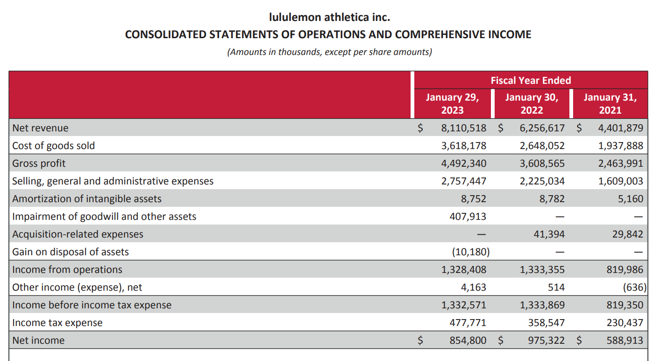

 |  | I'll calculate each ratio for the fiscal year ended January 30, 2022. You calculate ratios for the year ended January 29, 2023 in the boxes provided for your work. Here we go…

 |  | My turn:

 | Gross Margin
 | Calculation: |  | Comments:
 | Gross Profit |  | This means that 58% of sales revenue is available to pay operating and additional expenses provide a return to shareholders.
 | ÷ Sales
 | ÷ | $3,608,565.00
 |  | $ 6,256,617
 | = | 58% | Gross Margin

 |  | 2023 (your turn)

 | Gross Margin
 | Calculation: |  | Comments:

 | $ -
 | ÷
 |  | $ -
 | = | % | Gross Margin

 |  | Let's compare. Was lulu's gross margin better in 2022 or 2023?

 |  | My turn: Operating margin

 | Operating Margin
 | Calculation: |  | Comments:
 | Operating Income |  | This means that 21% of sales revenue is available to pay non-operating expenses and income tax, and provide a return to shareholders.
 | ÷ Sales
 | ÷ | $1,333,869.00
 |  | $ 6,256,617
 | = | 21% | Operating Margin

 |  | 2023 (your turn)

 | Operating Margin
 | Calculation: |  | Comments:

 | $ -
 | ÷
 |  | $ -
 | = | % | Operating Margin

 |  | Let's compare. Was lulu's operating margin better in 2022 or 2023?

 |  | My turn: Profit margin

 | Operating Margin
 | Calculation: |  | Comments:
 | Net Income |  | This means that 16% of sales revenue is available to shareholders as a return on their investment. Makes sense that higher margins are preferred, right?
 | ÷ Sales
 | ÷ | $975,322.00
 |  | $ 6,256,617
 | = | 16% | Operating Margin

 |  | 2023 (your turn)

 | Operating Margin
 | Calculation: |  | Comments:

 | $ -
 | ÷
 |  | $ -
 | = | % | Operating Margin

 |  | Let's compare. Was lulu's operating margin better in 2022 or 2023?

